Cover Page
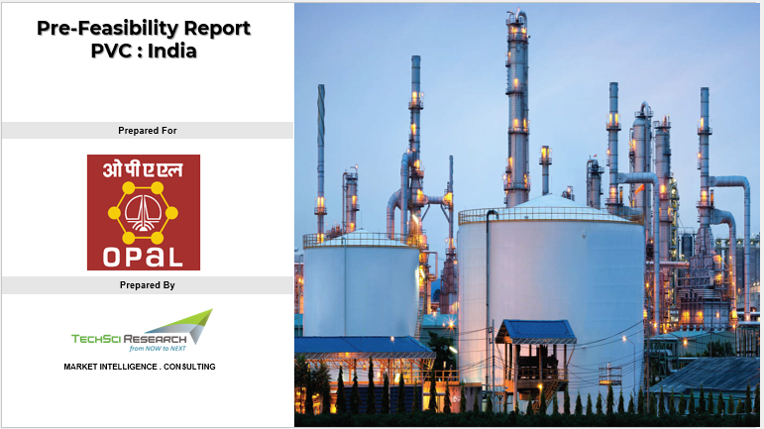

Dashboard
Financials
 | Operating Revenue | Total Operating Cost | Gross Margin (EBITDA/PBITDA) | Net Cash Flow
INR Cr | 12,295 | 6,106 | 6,188 | 6,188
Opex
 | MANUFACTURING COST | Raw materials | Catalyst & Chemicals | Labour | Variable Overheads | Fixed Overheads | Selling Overheads | Total Operating Cost
INR Crore | 3,039 | 2,352 | 150 | 54 | 376 | 107 | 172 | 3,211
Capex
 | INR Crore
Capex PVC Option 1 | 4,159
Capex Phenol Option 1 | 1,769
Propane Furnace Adition | 2,370
 | INR Crore
Total Variable Cost | 3,050
Total Fixed Cost | 161
Capacity for 350 KTPA PVC Resin and 200 KTPA Phenol + 123 KTPA Acetone
8,298 INR Cr
26,597 INR Cr
20.2%
3.1 Yrs
Payback (Yrs)
IRR
NPV
Total Investment
Total Capacity
4

 | Scenario 4
 | Raw materials | Tonne | INR / Tonne | Select Financial Year | 2041 | Annual Cost of Production
 | Ethylene | 161200 | 37680
 | Chlorine | 206500 | 5900
 | Oxygen | 49000 | 5550

Total Capital Investment |  |  |  | Operating Cost

